1. Title Page
Elyse's Analysis

Project Name: Elyse's Instacart Analysis
Date: August 30, 2022
Analyst Name: Elyse Gross

Contents:
Population Flow
Consistency checks
Wrangling steps
Column derivations
Visualizations
Recommendations

Data Source:
"The Instacart Online Grocery Shopping Dataset 2017”, Accessed from https://www.instacart.com/datasets/grocery-shopping-2017 on 8/30/2022.
Customers and prices datasets were fabricated for this course for learning purposes

2. Population Flow
Population flow

Exclusion flag
Condition: max_order < 5
Obervations to be removed: 2875
Final total count of order_products_all: 32430155

Orders_products_combined
Orders_products_merged
Orders_products_all

Total: 32433030
Total: 32434489
Total: 32433030

1.) The grey boxes in the first row of the population flow represent the original data sets as they were when you downloaded them. In the Total fields you need to add the count of the rows when you imported the data set into Jupyter.
2.) The second row of boxes (coloured) represents the data sets after you manipulated them, e.g., removed missing values and duplicates. In the Total fields you need to add the count of the rows after conducting these operations. This offers a visual oveview of how the data flows throughout the data consistency checks.
3.) The third row, where also the arrows are coloured, represents the merges you performed between the datasets. In the Total fields you need to add the count of the rows in the merged datasets, so that you end up with the final dataset (in the red box). Keep in mind the final dataset should be without exclusions (based on the exclusion flag).

3. Consistency checks
Consistency checks 4.5

Dataset | Missing values | Missing values treatment | Duplicates
orders | days_since_prior_order - missing values | Used mean value | no duplicates
products | product_name - 16 missing values | Removed from dataframe | 5 duplicates - removed from dataframe
orders_products_prior |  | no missing values | no duplicates
customers | first_name - 11259 values missing | Nothing - the whole column was deleted for privacy reasons

4. Wrangling steps
Wrangling steps

Columns dropped | Columns renamed | Columns' type changed | Comment/Reason
eval_set |  |  | the column was not useful for my analysis
 | order_dow --> orders_day_of_week |  | the title did not make clear sense upon reading
 |  | order_id --> string/object | this is an id which is not truly numeric in nature; this is a nominal value
 |  | user_id --> string/object | this is an id which is not truly numeric in nature; this is a nominal value
 | order_hour_of_day --> order_hour |  | hour of day is a redundant phrase, we can tell an hour is part of a day without this extra long title
First Name |  |  | This was PII data and exposed the individuals names and identities if kept in the analysis.
Last Name |  |  | This was PII data and exposed the individuals names and identities if kept in the analysis.

5. Column derivations
Column derivations and aggregations

In this tab you should add tables below that the frequences of flags/label variables that you produced after deriving them. NB: don't do this for continuous variables, only for flags.
Dataset | New column | Column/s it was derived from | Conditions
orders_products_merged | price_range_loc | prices | prices > 15 -> High-range product prices < = 15 -> Mid-range product prices <= 5 -> Low-range product
orders_products_merged | busiest_day | orders_day_of_week | df_ords_prods_merged['orders_day_of_week'].value_counts(dropna = False) result = [] for value in df_ords_prods_merged['orders_day_of_week']: if value == 0: result.append("Busiest day") elif value == 6: result.append("Least busy") else: result.append("Regular busy")
orders_products_merged | busiest_days | orders_day_of_week | result_new = [] for value in df_ords_prods_merged['orders_day_of_week']: if value == 0: result_new.append("Busiest day") elif value ==1: result_new.append("Second Busiest day") elif value == 6: result_new.append("Least busy") elif value == 5: result_new.append("Second Least Busy") else: result_new.append("Regular busy")
orders_products_merged | busiest_period_of_day | order_hour | result_period = [] for value in df_ords_prods_merged['order_hour']: if value in [4, 3, 5, 2, 1, 0, 6, 7]: result_period.append("Fewest orders") elif value in [23, 8, 22, 21, 9, 20, 19, 10]: result_period.append("Average orders") elif value in [18, 11, 12, 17, 13, 14, 15, 16]: result_period.append("Most orders")
orders_products_merged | max_order | order_number | df_ords_prods_merged['max_order'] = df_ords_prods_merged.groupby(['user_id'])['order_number'].transform(np.max)
orders_products_merged | loyalty_flag | max_order | Customer has > 40 max orders - "Loyal customer" Cutsomer has 10 > 40 max orders - "Regular customer" Customer has < 10 orders - "New customer"
orders_products_merged | spending_flag | prices | mean of prices < 10 - "Low spender" mean of prices >= 10 - "High spender"
orders_products_merged | frequency_flag | days_since_prior_order | median of days_since_prior_order > 20 - "Non-frequent customer" median of days_since_prior_order 10 > 20 - "Regular customer" median of days_since_prior_order <= 10 - "Frequent customer"
orders_products_merged with customers data | Region | State | Region 1 = ['Maine', 'New Hampshire', 'Vermont', 'Massachusetts', 'Rhode Island', 'Connecticut', 'New York', 'Pennsylvania', 'New Jersey'] Region 2 = ['Wisconsin', 'Michigan', 'Illinois', 'Indiana', 'Ohio', 'North Dakota', 'South Dakota', 'Nebraska', 'Kansas', 'Minnesota', 'Iowa', 'Missouri'] Region 3 = ['Delaware', 'Maryland', 'District of Columbia', 'Virginia', 'West Virginia', 'North Carolina', 'South Carolina', 'Georgia', 'Florida', 'Kentucky', 'Tennessee', 'Mississippi', 'Alabama', 'Oklahoma', 'Texas', 'Arkansas', 'Louisiana'] Region 4 = ['Idaho', 'Montana', 'Wyoming', 'Nevada', 'Utah', 'Colorado', 'Arizona', 'New Mexico', 'Alaska', 'Washington', 'Oregon', 'California', 'Hawaii']
orders_products_merged with customers data | profiling variable | Age, Married?, Number of Dependants | Single Young Person (age under 30) , No kids Single Adult (age over 30), No kids Single Young (age under 30) Parent Married Young (ager under 30)Parent Married Adult (age over 30) Parent Married Adult (age over 30), no kids

6. Visualizations
Visualisations

In this tab you should include all the visualtions from Exercises 4.9 and 4.10, alongside the questions from the project brief that they answer. Include any commentary on the relationship between different variables.

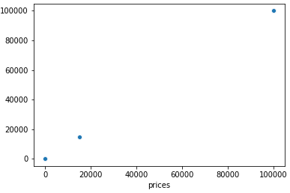
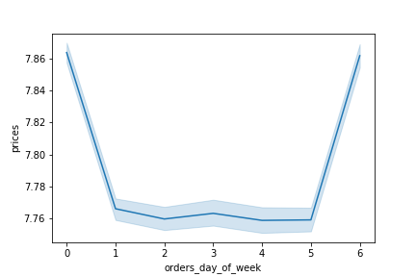
 | Vis. A | Bar Chart of Orders Per Day of Week |  |  |  |  |  |  |  | Vis. B | Scatterplot of Prices |  |  |  | Vis. C | Prices Histogram |  | Vis. D | Prices and Days of the Week Line Chart | Vis. E | Order Hour Histogram
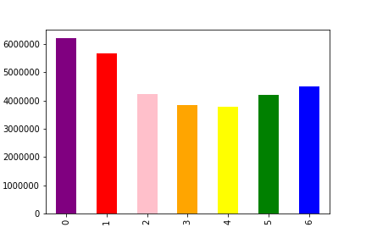
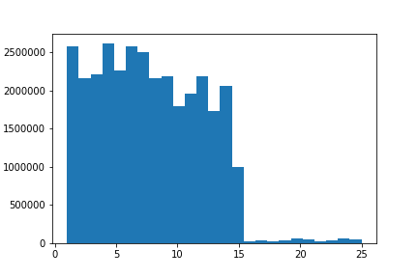
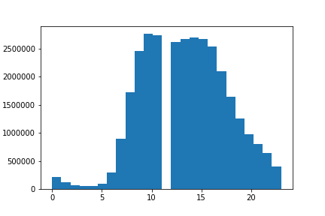

 |  |  |  |  |  |  |  |  | Prices
Number of Orders

 |  | Sun | Mon | Tues | Weds | Thurs | Fri | Sat

 | Insights and commentary on the relationships: We see that most shopping is done towards the beginning of the week when people buy weekly groceries though it picks back up again on Friday and Saturday when people are stocking up for the weekend. |  |  |  |  |  |  |  |  | Insights and commentary on the relationships: Prices are concentrated very low and very high, this shows us there is an outlier at the top. |  |  |  |  | Insights and commentary on the relationships: After removing the outliers found in the previous scatterplot, we get this historgam which shows us the distribution of prices of products with only those that actually make logical sense in the dataset. |  |  | Insights and commentary on the relationships: This line chart shows us that most expensive products are purchased on weekends and towards the end and beginning of the week. This makes sense since this is when people are stocking up on expensive things such as household goods, bulk food, and alcohol.
 |  |  |  |  |  |  |  |  |  |  |  |  |  |  |  |  |  |  |  | Insights and commentary on the relationships: This histogram shows us the disribution of purchases across different hours of the day.

 |  | Vis. F | Bar Chart of Orders Per Day of Week |  |  |  |  |  |  | Vis. G | Line Chart of Prices and Order Hour |  |  |  | Vis. H | Line Chart of Age and Number of Dependants |  | Vis. I | Scatterplot of Age and Income of Customers | Vis. J | Bar Chart of Profiling Variable Types
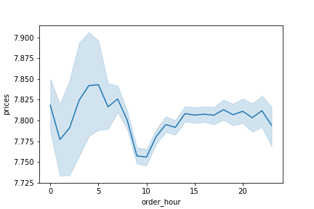
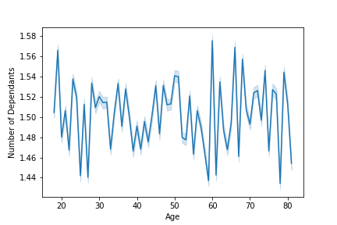
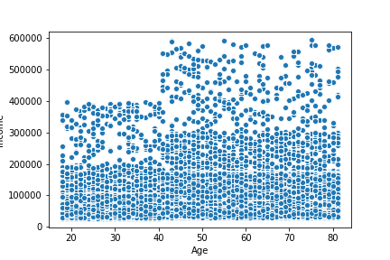
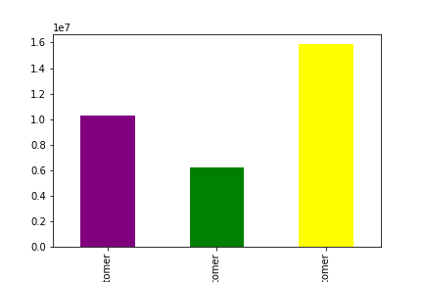
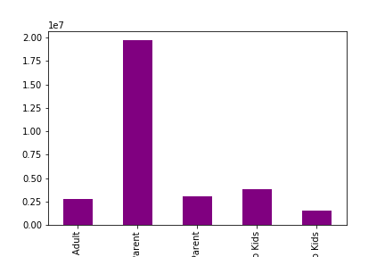

 | Amount of Customers
 |  |  |  |  |  |  |  |  |  |  |  |  |  |  |  |  | Income
 |  |  | Loyal Customers |  | New Customers |  | Regular Customers |  |  |  |  |  |  |  |  |  |  |  |  |  | Divorced or Widowed Adult | Married Adult Parent | Married Young Parent | Single Adult, No Kids | Single Young Person, No Kids
 | Insights and commentary on the relationships: This bar chart shows that regular customers are the highets share of customer type, then loyal ones, then new ones. |  |  |  |  |  |  |  |  | Insights and commentary on the relationships: In this line chart we see that many of the orders happen in the beginning of the day and then stay consistently lower throughout the middle of the day except in the mid morning they drop. They are lower in mid day through night. |  |  |  |  |  | Insights and commentary on the relationships: This line chart shows that there is not much correlation between age and number of dependants. |  |  | Insights and commentary on the relationships: This scatterplot shows that there is, to some extent, a correlation between age and income. While there are not many people between 20-40 with high incomes, there are still many people over 80 with low incomes. | Insights and commentary on the relationships: This bar chart shows us that most of the common users of instacart are married adult parents. This makes sense since these people have less time to go to the store with the business of parenthood and work.

 |  | Vis. K | Bar Chart of Region/Profile and Department
 | Visualizations across profiles and regions related to department were made but there was no significant difference between each one. All of them looked roughly the same as the one below. |  |  |  |  |  |  |  |  |  |  |  | Vis. L | Chart of Mean Prices by Profiles
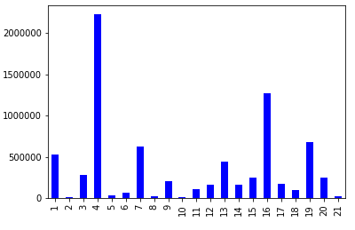
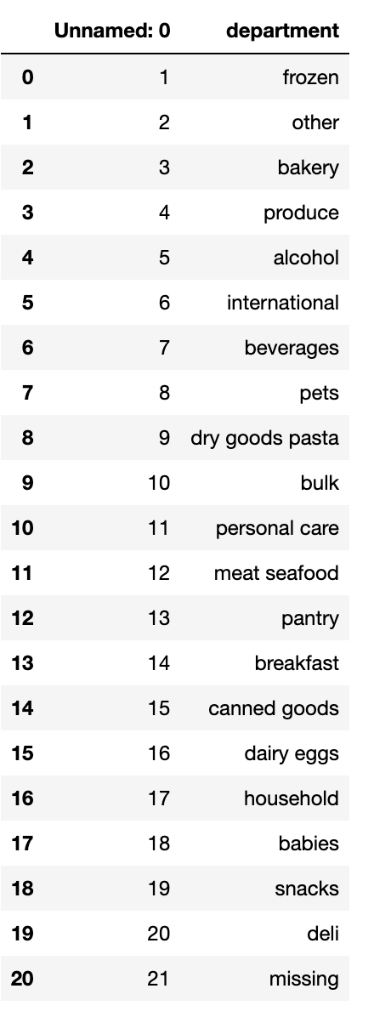
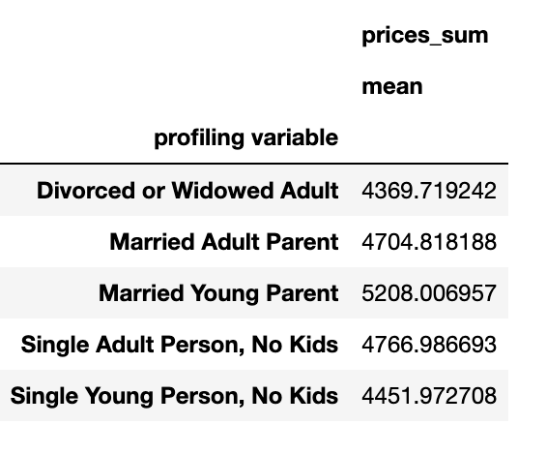

 | Count

 |  |  |  |  |  |  |  |  |  |  |  |  |  | Insights: The means are not that different but we do see a substaintally higher spending mean for Married Young Parents. Single young people and divorced and widowed people spend the least, which makes sense since they are feeding less mouths.

 |  |  |  |  | Deparments (key to the left)

 |  | Insights and commentary on the relationships: The bar chart above, which was the same across the different groups and regions, show us that the departments bought from does not vary that much accross region. All buy the most from produce and dairy/eggs.

 | Additional Visualizations to Answer Key Questions

 |  |  | Vis. M | Bar Chart of Orders Per Day of Week |  |  |  |  |  |  | Vis. N | Line Chart of Prices and Order Hour
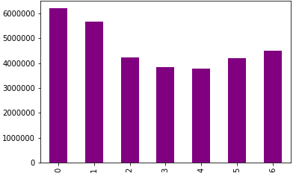

 |  | Insights and commentary on the relationships: This bar chart shows that most orders happen on the weekend with the most on Sunday and Monday, stocking up for the week. |  |  |  |  |  |  |  |  | Insights and commentary on the relationships: In this line chart we see that many of the orders happen in the beginning of the day and then stay consistently lower throughout the middle of the day except in the mid morning they drop. They are lower in mid day through night.

7. Recommendations
Recommendations

In this tab you should include any recommendations you would made to Instcart in terms of their marketing strategy based on the questions posed in the brief. Every key question has been covered in the Tasks of the Exercises - here you need to add an item - a visualisation or table/crosstable that is showing the answer in the data, acompanied by a comment from you. Please, list the questions below and add the answer underneath.

Question | Answer

Key Question 1: The sales team needs to know what the busiest days of the week and hours of the day are (i.e., the days and times with the most orders) in order to schedule ads at times when there are fewer orders. | The sales team should schedule ads mid day but also into the evening (though mid day has less orders) and in the middle of the week, not the weekends. These are the times with the fewest orders.

Key Question 2: They also want to know whether there are particular times of the day when people spend the most money, as this might inform the type of products they advertise at these times.

Key Question 3: Instacart has a lot of products with different price tags. Marketing and sales want to use simpler price range groupings to help direct their efforts. | They should look at the amount of saleswithin the lowest price range. They should focus on raising sales of low range products since there is currently more supply than demand of these products.

Key Question 4: Are there certain types of products that are more popular than others? The marketing and sales teams want to know which departments have the highest frequency of product orders. | Yes, the produce products are by far the most purhcased products, followed by dairy and eggs.

Key Question 5: The marketing and sales teams are particularly interested in the different types of customers in their system and how their ordering behaviors differ. For example: 1. What’s the distribution among users in regards to their brand loyalty (i.e., how often do they return to Instacart)? 2. Are there differences in ordering habits based on a customer’s loyalty status? 3. Are there differences in ordering habits based on a customer’s region? 4. Is there a connection between age and family status in terms of ordering habits? | 1. Most users are loyal customers which means that most of the time users return to instacart. Because we see the lowest amount of users is in the new users category that means most users return. 2. Loyal Customers spend more at instacart than others and shop there more so focusing on them is a good idea. They spend the most in _____ department, 3. There is not a significant difference in ordering habits across different regions so there is not any necessity to change marketing and sales techniques by region. 4. There is not much different in family status and ordering habits in terms of department. However, families that have married parents and kids tend to use instacart more so instacart should focus some marketing at this group.

Key Question 6: What different classifications does the demographic information suggest? Age? Income? Certain types of goods? Family status? | The demographic classification suggests that most instacart users are older than 30 and married with kids. Most users buy a lot of produce, milk, and eggs indicating they use instacart for their primary groceries, not just for a few items here and there.

Key Question 7: What differences can you find in ordering habits of different customer profiles? Consider the price of orders, the frequency of orders, the products customers are ordering, and anything else you can think of. | The biggest different in ordering habits across customer profiles is how much they buy/how often they use instacart. Families tend to use it more than single people without kids. These people spend the most, as seen in visualization L. This indicates that busier people rely on instacart more. These families also often have higher income to spend on instacart.

